Main PCB
Test equipment needed:
 | - pogo pin test fixture (142 test points) |  | See testpoints
 | - Jlink programmer on testpoints
 | - simulate I2C devices, e.g. I2C EPROM with known data (5pcs)
 | - logic analyzer / oscilloscope to measure PWMs
 | - signal generator to generate fake encoder signals (2 channels)
 | - adjustable power supply for simulating different battery voltage
 | - UART for communication between MCU and test equipment
 | - digital IO
 | - reverse polarity test on motor battery
 | - temporary speaker for audio test
 | - current measurement

Test equipment setup:
 | Test after battery is installed and LED board is attached to main board
 | Jlink has to be connected to (TP17, TP20, TP23, TP26, TP29)
 | MCU has to communicate with test equipment on UART on TP98

Test steps:
 | Vertical switch must be in turned OFF state
 | Flash test firmware on Debug port (TP17, TP20, TP23, TP26, TP29)

 | TP84 VBAT must be configured as input!
 | Test vertical switch
 |  | Turn on switch manually --> real battery is turned ON
 | Read and store battery voltage
 |  | Read battery voltage on VBAT | Read TP84
 | Test reset functionality
 |  | Apply RPI MCU reset | Set TP102 to HIGH
 |  | measure DBG RST | Read TP29, it must go to LOW from HIGH
 |  | Release RPI MCU RESET | Set TP102 to LOW
 |  | measure DBG RST | Read TP29, it must go to HIGH
 | Test reverse battery protection
 |  | Apply 8V on TP83 | Measure TP86
 |  | Apply -8V on TP83 | Measure TP86
 |  | Apply 8V on TP83 | Measure TP86
 | Test power supplies
 |  | Measure sensor 5V | TP107, TP116, TP125, TP134
 |  | Measure sensor 3V3 | TP109, TP118, TP127, TP136
 |  | Measure 4V5 | TP88
 |  | MCU turns on and off servo supply ENA | TP89
 | Test battery charger functionality
 |  | Set 5V_RPI_SW to floating | Set TP91 to floating
 |  | Read charger enable | Read TP85 it must be LOW
 |  | Read 5V_RPI | Read TP82, it must be 4.5V
 |  | Apply 5V on 5V_RPI_SW | Set TP91 to 5V
 |  | Read charger enable | Read TP85 it must be HIGH
 |  | Read 5V_RPI | Read TP82, it must be 5V
 |  | Set 5V_RPI_SW to floating | Set TP91 to floating
 |  | Read charger enable | Read TP85 it must be LOW again
 |  | Read 5V_RPI | Read TP82, it must be 4.5V
 |  | Read and save MCU log on UART |  | MCU records CHG/STATUS

 | Turn off the switch manually --> real battery is turned OFF
 |  | Make sure that switch is turned OFF | Read TP84, if there is any voltage on TP84 test must wait!

 | TP84 VBAT must be configured as 4.2V power supply!
 |  | Connect GND | Connect TP94 to GND
 |  | Turn on 4.2V on VBAT | Set 4.2V on TP84

 | Test LED voltage dependency
 |  | Test LEDs with min and max battery voltage --> 3.0V to 4.4V
 |  | Check LED functionality on low battery | Set 3.0V on TP84
 |  | Visually check LEDs
 |  | Check LED functionality on charged battery | Set 4.4V on TP84
 |  | Visually check LEDs
 |  | Turn on normal 4.2V on VBAT | Set 4.2V on TP84

 | Test audio circuit
 |  | Enable audio driver | Set TP97 to High
 |  | Send test PWM from test environment | On TP104
 |  | Use a temporary speaker for evaluation
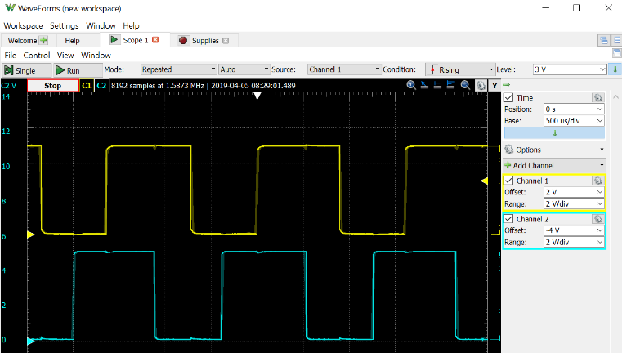
 | Test IO functionalities of the Brain
 |  | Apply signal generator pulses on encoders at RJ45 with specified ferquency |  | MCU records encoder values
 |  |  | TBD frequency, 50% duty cycle, 4.5V amplitude, 1/4 phase delay between 2 channels
 |  |  | Signal A on TP34, TP42, TP50, TP58, TP66, TP74
 |  |  | Signal B on TP38, TP46, TP54, TP62, TP70, TP78

 |  | MCU drives motor PWMs, test equipment reads the frequency, duty cycle, etc
 |  |  | Apply 8V on TP83 and measure TP86
 |  |  | MCU drives the PWM lines with TBD frequency and TBD duty cycle
 |  |  | MOT PWM and MOT+ and MOT- pins must be read by test equipment with logic analyzer or oscilloscope
 |  |  | record the following data: TP36, TP39, TP40, TP44, TP47, TP48, TP52, TP55, TP56, TP60, TP63, TP64, TP68, TP71, TP72, TP76, TP79, TP80
 |  |  | if 18 channels recording is too much, we suggest to measure in sequence

 |  | MCU reads I2C device on every (5) port |  | MCU reads values from I2C devices
 |  |  | RPI I2C: SDA TP92, SCL TP93
 |  |  | SEN3: SDA TP110, SCL TP111
 |  |  | SEN2: SDA TP119, SCL TP120
 |  |  | SEN1: SDA TP128, SCL TP129
 |  |  | SEN0: SDA TP137, SCL TP138

 |  | Measure level shifters and analog inputs
 |  | Connect the following pins together: |  | MCU records voltage levels
 |  |  | SEN3: TP108 to TP112
 |  |  | SEN2: TP117 to TP121
 |  |  | SEN1: TP126 to TP130
 |  |  | SEN0: TP135 to TP139

 |  | Set logic high on RPI GPIOs with low impedance and MCU will read it |  | MCU records readings
 |  |  | Let TP99, TP100, TP101, TP103, TP105, TP106 float
 |  |  | Set TP99, TP100, TP101, TP103, TP105, TP106 to HIGH
 |  |  | Let TP99, TP100, TP101, TP103, TP105, TP106 float

 | IMU check |  |  | MCU records IMU values
 |  | MCU will read IMU registers, no test equipment is needed

 | Read and save MCU log on UART |  |  | MCU sends collected data to test equipment

 | During the whole measurement
 |  | measure and store avg, max, min current on VBAT supply

 | Flash user firmware on Debug port (TP17, TP20, TP23, TP26, TP29)

Ultrasonic sensor
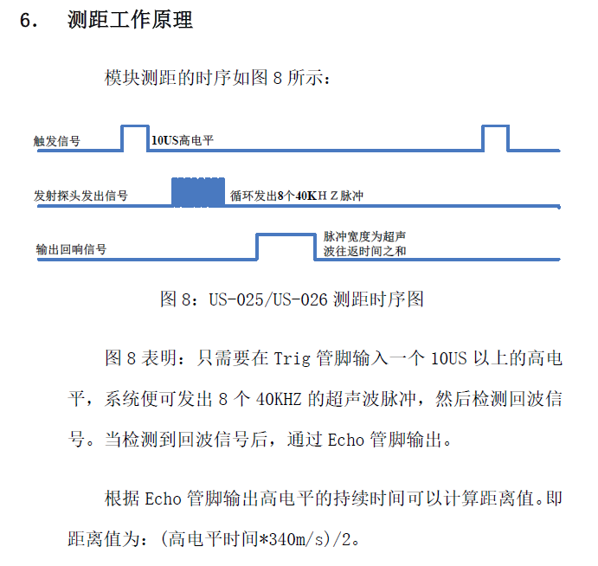
Test equipment needed:
 | - RJ45 interface to connect ultrasonic sensor
 | - Digital IO with precise time measurement
 | - 5V supply
 | - Obstacle with at least 2 different position to make sure sensor is working

Test equipment setup:
 | Connect 5V supply to pin 1 of the RJ45 and GND to pin8
 | Connect digital output of the test equipment to pin 2
 | Connect digital input of the test equipment to pin7

Test steps:
 | Apply 10us TRIGGER pulse on pin 2
 | Measure the length of ECHO signal on pin 7 see picture
 | Apply different obstacle distance and repeat above 2 steps

Evaluation criteria/test requirements:
 | The length of ECHO pulse must match the distance of the obstacle
 | Every other pins of RJ45 has to be floating
 | Short circuit is forbidden between any of the pins
 | ECHO signal amplitude must be >= 4.5V

Data to store from every sensor with unique/traceable ID:
 | avg ECHO length with different (known) obstacle distances
 | Test result (PASSED or FAILED)

Motor pack
Test equipment needed:
 | - RJ45 interface to connect motor pack
 | - H-bridge to drive the motor in both directions, max 9V
 | - motor current measurement
 | - 5V supply for encoders
 | - 2 channel Logic analyzer/oscilloscope for encoder signal measurement
 | - acoustic test equipment

Test equipment setup:
 | Connect 5V supply to pin 4 of the RJ45 and GND to pin8 (encoder supply)
 | Connect channel1 of logic analyzer to pin 1
 | Connect channel2 of logic analyzer to pin 5
 | Connect outputs of H-bridge to MOT+ pin 3 and MOT- pin 7

Test steps:
 | Start recording of encoder signals, current, acoustic
 | Apply 8.4V on MOT+ and GND on MOT-
 | Let the motor pack turn at least 10 (TBD) full rotation on the output shaft
 | Apply 8.4V on MOT- and GND on MOT+
 | Let the motor pack turn at least 10 (TBD) full rotation on the output shaft
 | Stop recording of signals

Evaluation criteria/test requirements:
 | Motor must be able to rotate in both directions
 | Both encoder channels must count the rotation of magnet
 | Encoder signal amplitude must be >= 4.5V
 | The phase between the 2 channels must be 1/4 period during the whole measurement as seen on the picture
 | Number of pulses should match the phisical rotation of the motor
 | Speed and current must be nearly the same in both directions
 | Acoustic results of the whole motor pack must be acceptable (TBD)

Data to store from every sensor with unique/traceable ID:
 | avg, min and max current in both directions
 | avg, min and max speed in both directions
 | max acoutsic level
 | avg phase between the encoder channels
 | Test result (PASSED or FAILED)

